Eye-tracking details
Technical details eye-tracking setup - Example

Lab name | UPF_Barcelona
Eye-tracking system | Tobii® TX300

Screen resolution in pixels
Width | 1920
Height | 1080
Screen dimensions in mm
Width | 510
Height | 290
Distance at which the infant was seated from the screen in mm
distance | 600
Samplerate of the eye-tracker in Hz
samplerate | 120

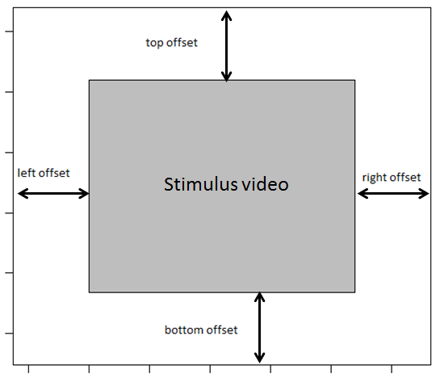
Variable names
Please specify the names of the variables in the raw eye-tracking data file that refer to the:

Participant ID | NA (label tsv file)
Stimuli | StimuliName
Trial | NA

AOI information
Please specify where the stimulus video was located on the screen, see figure

left offset in pixels | 226
right offset in pixels | 226
top offset in pixels | 0
bottom offset in pixels | 0

Was the stimulus video presented as described in this document:
https://docs.google.com/spreadsheets/d/1iu16TyhN314nUV3a5oGx4oHPnXf39-rzmQa4Psj7pD0/
 | Yes

